Home Games
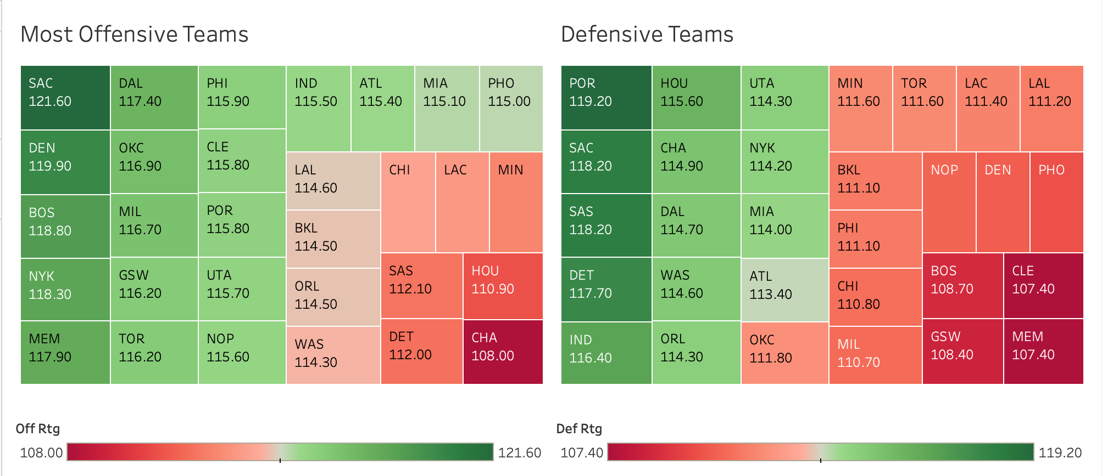
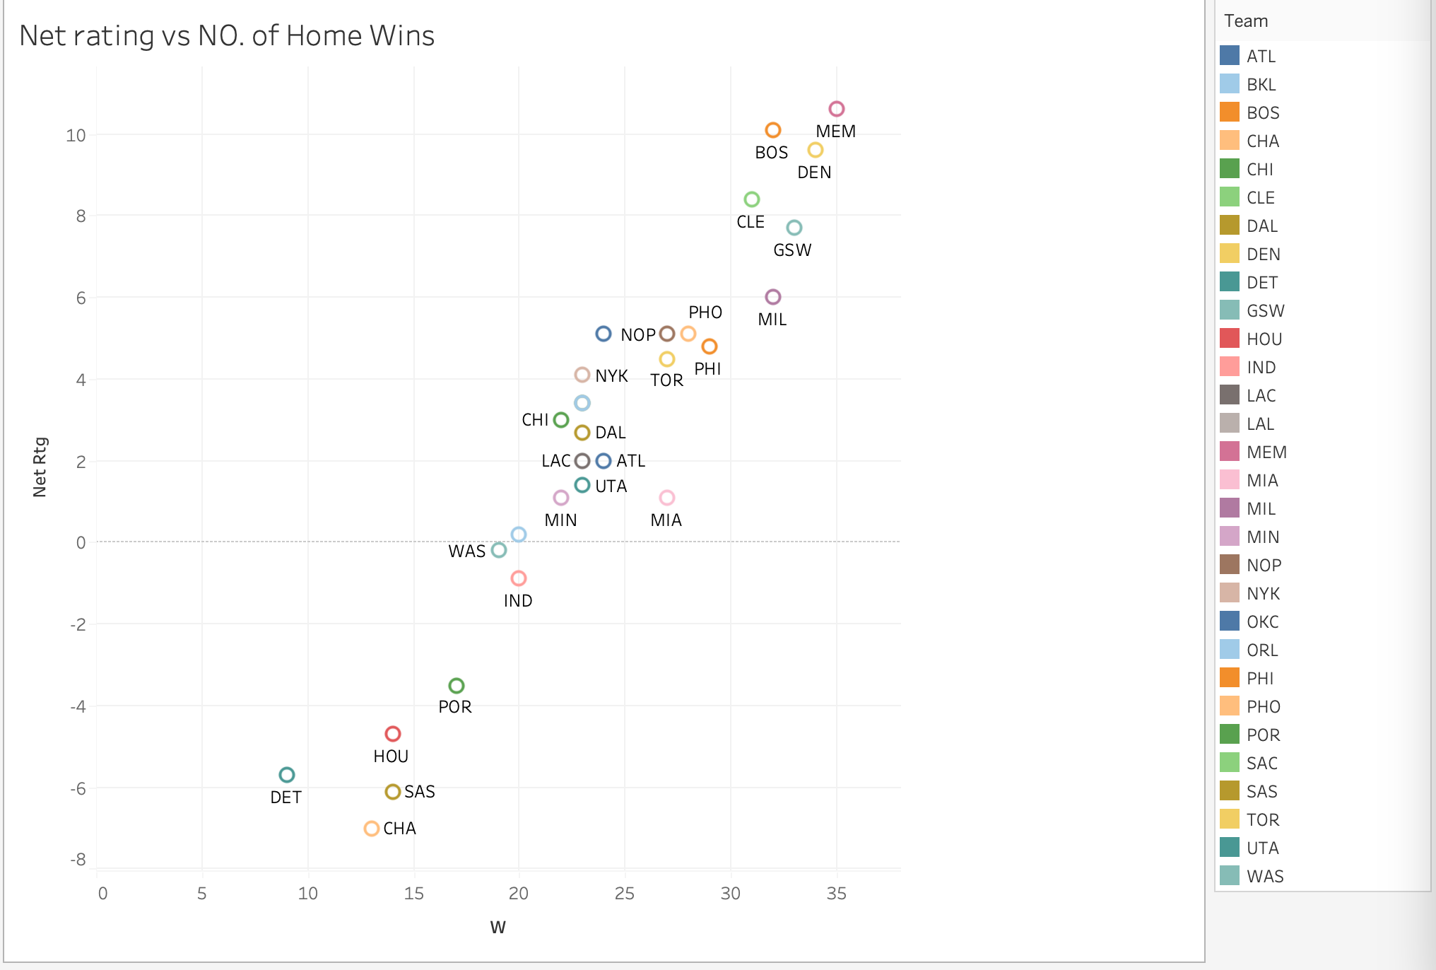
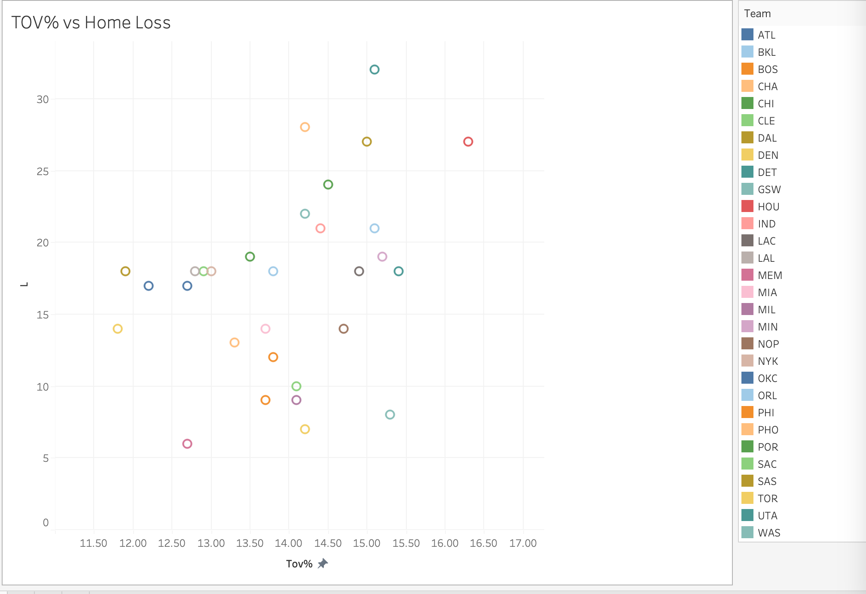
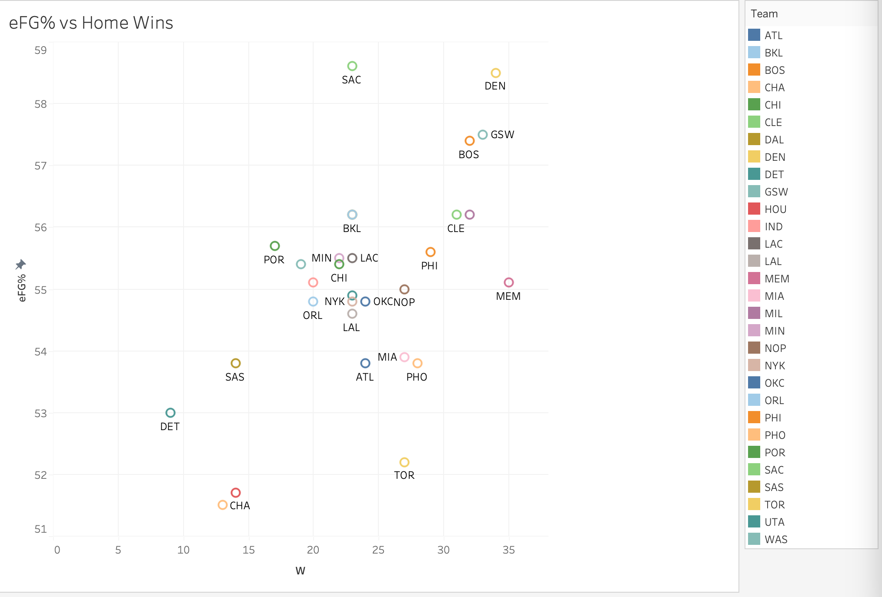
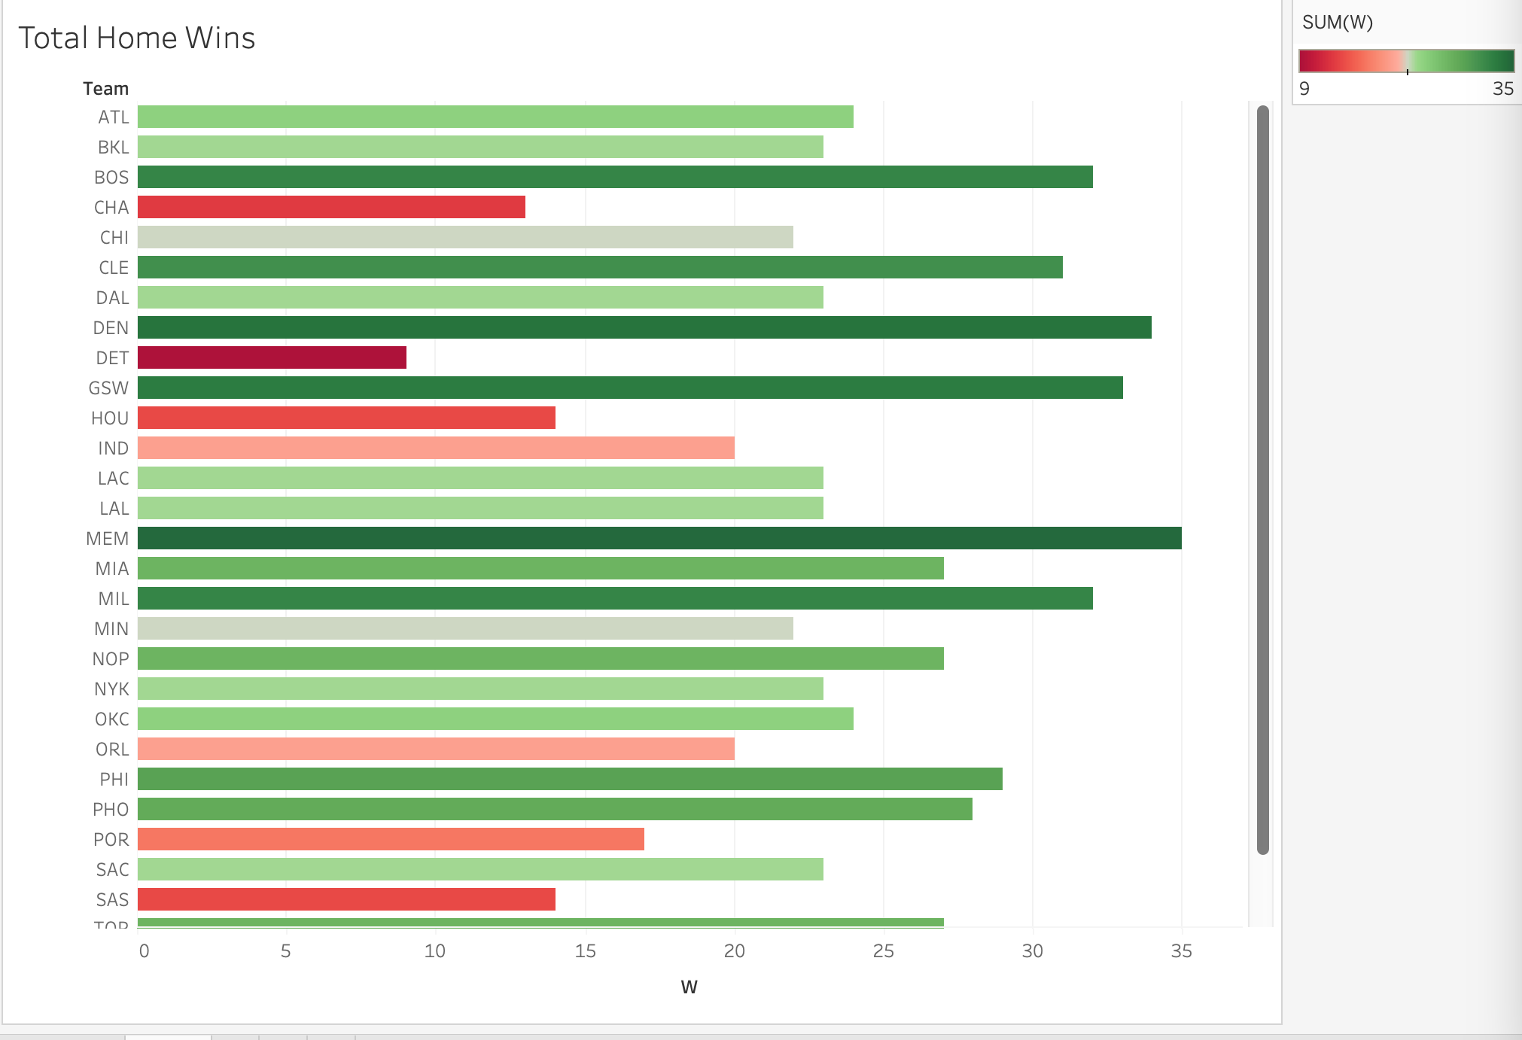
TEAM | GP | W | L | MIN | OffRtg | DefRtg | NetRtg | AST% | AST/TO | AST RATIO | OREB% | DREB% | REB% | TOV% | eFG% | TS% | PACE | PIE | POSS
ATL | 41 | 24 | 17 | 1993 | 115.4 | 113.4 | 2 | 55.8 | 2 | 17.6 | 29 | 73.3 | 50.8 | 12.2 | 53.8 | 57.5 | 102.31 | 50.9 | 4,252
BOS | 41 | 32 | 9 | 2003 | 118.8 | 108.7 | 10.1 | 62.7 | 1.93 | 19.1 | 26.1 | 76 | 52 | 13.7 | 57.4 | 61 | 99.74 | 55.4 | 4,159
BKL | 41 | 23 | 18 | 1973 | 114.5 | 111.1 | 3.4 | 62.6 | 1.91 | 19.2 | 23.4 | 69.3 | 47.5 | 13.8 | 56.2 | 59.6 | 98.63 | 52 | 4,047
CHA | 41 | 13 | 28 | 1978 | 108 | 114.9 | -7 | 62.5 | 1.75 | 18 | 27.6 | 70.7 | 48.8 | 14.2 | 51.5 | 55 | 100.62 | 47.1 | 4,149
CHI | 41 | 22 | 19 | 1988 | 113.8 | 110.8 | 3 | 58.3 | 1.84 | 18.4 | 23.5 | 73.1 | 49.4 | 13.5 | 55.4 | 59.4 | 99.26 | 52.4 | 4,109
CLE | 41 | 31 | 10 | 2003 | 115.8 | 107.4 | 8.4 | 61.2 | 1.85 | 18.9 | 27.1 | 71.2 | 49.8 | 14.1 | 56.2 | 59.6 | 96.01 | 54.8 | 4,006
DAL | 41 | 23 | 18 | 1978 | 117.4 | 114.7 | 2.7 | 55 | 1.91 | 16.9 | 23.8 | 71.8 | 47.5 | 11.9 | 56.2 | 59.6 | 97.77 | 49.4 | 4,030
DEN | 41 | 34 | 7 | 1978 | 119.9 | 110.3 | 9.6 | 67 | 2.11 | 20.9 | 30.2 | 74.4 | 53.2 | 14.2 | 58.5 | 61.2 | 98.96 | 55.5 | 4,082
DET | 41 | 9 | 32 | 1988 | 112 | 117.7 | -5.7 | 60.4 | 1.6 | 17.5 | 30 | 70.8 | 50 | 15.1 | 53 | 57 | 99.5 | 46.1 | 4,113
GSW | 41 | 33 | 8 | 1983 | 116.2 | 108.4 | 7.7 | 69.9 | 1.93 | 20.7 | 28.4 | 73.2 | 51.4 | 15.3 | 57.5 | 60.1 | 102.27 | 53.9 | 4,225
HOU | 41 | 14 | 27 | 1978 | 110.9 | 115.6 | -4.7 | 53.9 | 1.34 | 15.6 | 35.6 | 72.2 | 53.8 | 16.3 | 51.7 | 55.6 | 99.25 | 47.6 | 4,095
IND | 41 | 20 | 21 | 1978 | 115.5 | 116.4 | -0.9 | 63.8 | 1.85 | 19 | 28.6 | 69.3 | 48.6 | 14.4 | 55.1 | 58.8 | 102.39 | 49.4 | 4,221
LAC | 41 | 23 | 18 | 1978 | 113.4 | 111.4 | 2 | 58.8 | 1.63 | 17.7 | 27.7 | 73.6 | 51 | 14.9 | 55.5 | 58.9 | 98.83 | 50.4 | 4,076
LAL | 41 | 23 | 18 | 1988 | 114.6 | 111.2 | 3.4 | 59.7 | 1.96 | 18.2 | 26.2 | 72.4 | 50.1 | 12.8 | 54.6 | 58.2 | 101.2 | 52.1 | 4,187
MEM | 41 | 35 | 6 | 1973 | 117.9 | 107.4 | 10.6 | 58.9 | 2.06 | 18.5 | 31.4 | 70.8 | 51.4 | 12.7 | 55.1 | 58 | 101.38 | 55.5 | 4,164
MIA | 41 | 27 | 14 | 1973 | 115.1 | 114 | 1.1 | 60.2 | 1.81 | 17.9 | 27.7 | 73.3 | 50.2 | 13.7 | 53.9 | 58.6 | 96.51 | 50.9 | 3,970
MIL | 41 | 32 | 9 | 1973 | 116.7 | 110.7 | 6 | 58.5 | 1.77 | 17.9 | 30.1 | 75.1 | 53.3 | 14.1 | 56.2 | 59 | 101.49 | 53.6 | 4,175
MIN | 41 | 22 | 19 | 1988 | 112.7 | 111.6 | 1.1 | 61 | 1.67 | 18.5 | 25.5 | 70.5 | 48.5 | 15.2 | 55.5 | 58.9 | 101.96 | 50.5 | 4,219
NOP | 41 | 27 | 14 | 1983 | 115.6 | 110.5 | 5.1 | 61.7 | 1.77 | 18.6 | 29.7 | 73.4 | 51.7 | 14.7 | 55 | 58.9 | 98.7 | 52.8 | 4,076
NYK | 41 | 23 | 18 | 1993 | 118.3 | 114.2 | 4.1 | 55.1 | 1.82 | 17 | 31.9 | 72.9 | 52.5 | 13 | 54.8 | 58.5 | 97.78 | 51.8 | 4,064
OKC | 41 | 24 | 17 | 1993 | 116.9 | 111.8 | 5.1 | 56.7 | 1.93 | 17.7 | 29.4 | 71.1 | 49.8 | 12.7 | 54.8 | 58.4 | 102.09 | 51.7 | 4,238
ORL | 41 | 20 | 21 | 1988 | 114.5 | 114.3 | 0.2 | 59.6 | 1.64 | 18 | 28.6 | 73.5 | 51.3 | 15.1 | 54.8 | 58.8 | 99.13 | 49.9 | 4,095
PHI | 41 | 29 | 12 | 1993 | 115.9 | 111.1 | 4.8 | 64 | 1.89 | 18.9 | 25.6 | 72.2 | 49.6 | 13.8 | 55.6 | 60.2 | 97.3 | 52.4 | 4,039
PHO | 41 | 28 | 13 | 1968 | 115 | 109.9 | 5.1 | 64.2 | 2.03 | 19.1 | 29.8 | 72.1 | 50.9 | 13.3 | 53.8 | 57.4 | 99.29 | 52.7 | 4,068
POR | 41 | 17 | 24 | 1973 | 115.8 | 119.2 | -3.5 | 58.7 | 1.65 | 17.6 | 26.2 | 70.1 | 48.1 | 14.5 | 55.7 | 59.9 | 99.72 | 47.6 | 4,095
SAC | 41 | 23 | 18 | 1978 | 121.6 | 118.2 | 3.4 | 62.8 | 2.14 | 19.8 | 26.6 | 73.3 | 50.1 | 12.9 | 58.6 | 62.3 | 101.04 | 51.6 | 4,161
SAS | 41 | 14 | 27 | 1988 | 112.1 | 118.2 | -6.1 | 63.1 | 1.81 | 19.1 | 31 | 70.7 | 50.4 | 15 | 53.8 | 56.6 | 101.66 | 47.3 | 4,209
TOR | 41 | 27 | 14 | 1973 | 116.2 | 111.6 | 4.5 | 56.4 | 2.05 | 17.1 | 32.8 | 72.7 | 51.4 | 11.8 | 52.2 | 56.1 | 98.12 | 51.4 | 4,036
UTA | 41 | 23 | 18 | 1983 | 115.7 | 114.3 | 1.4 | 61.1 | 1.62 | 17.9 | 31 | 71.2 | 51.6 | 15.4 | 54.9 | 58.8 | 101.3 | 50.9 | 4,179
WAS | 41 | 19 | 22 | 1978 | 114.3 | 114.6 | -0.2 | 61.1 | 1.83 | 18.8 | 26.3 | 73.4 | 50.5 | 14.2 | 55.4 | 59 | 99.48 | 50.8 | 4,097

Away Games
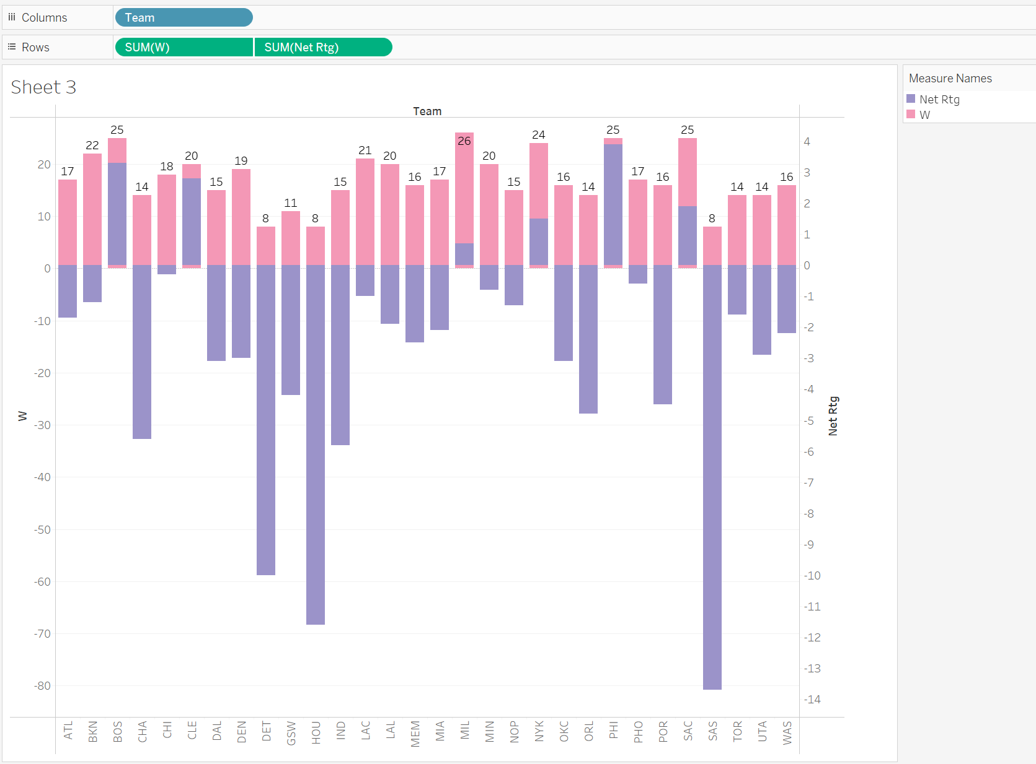
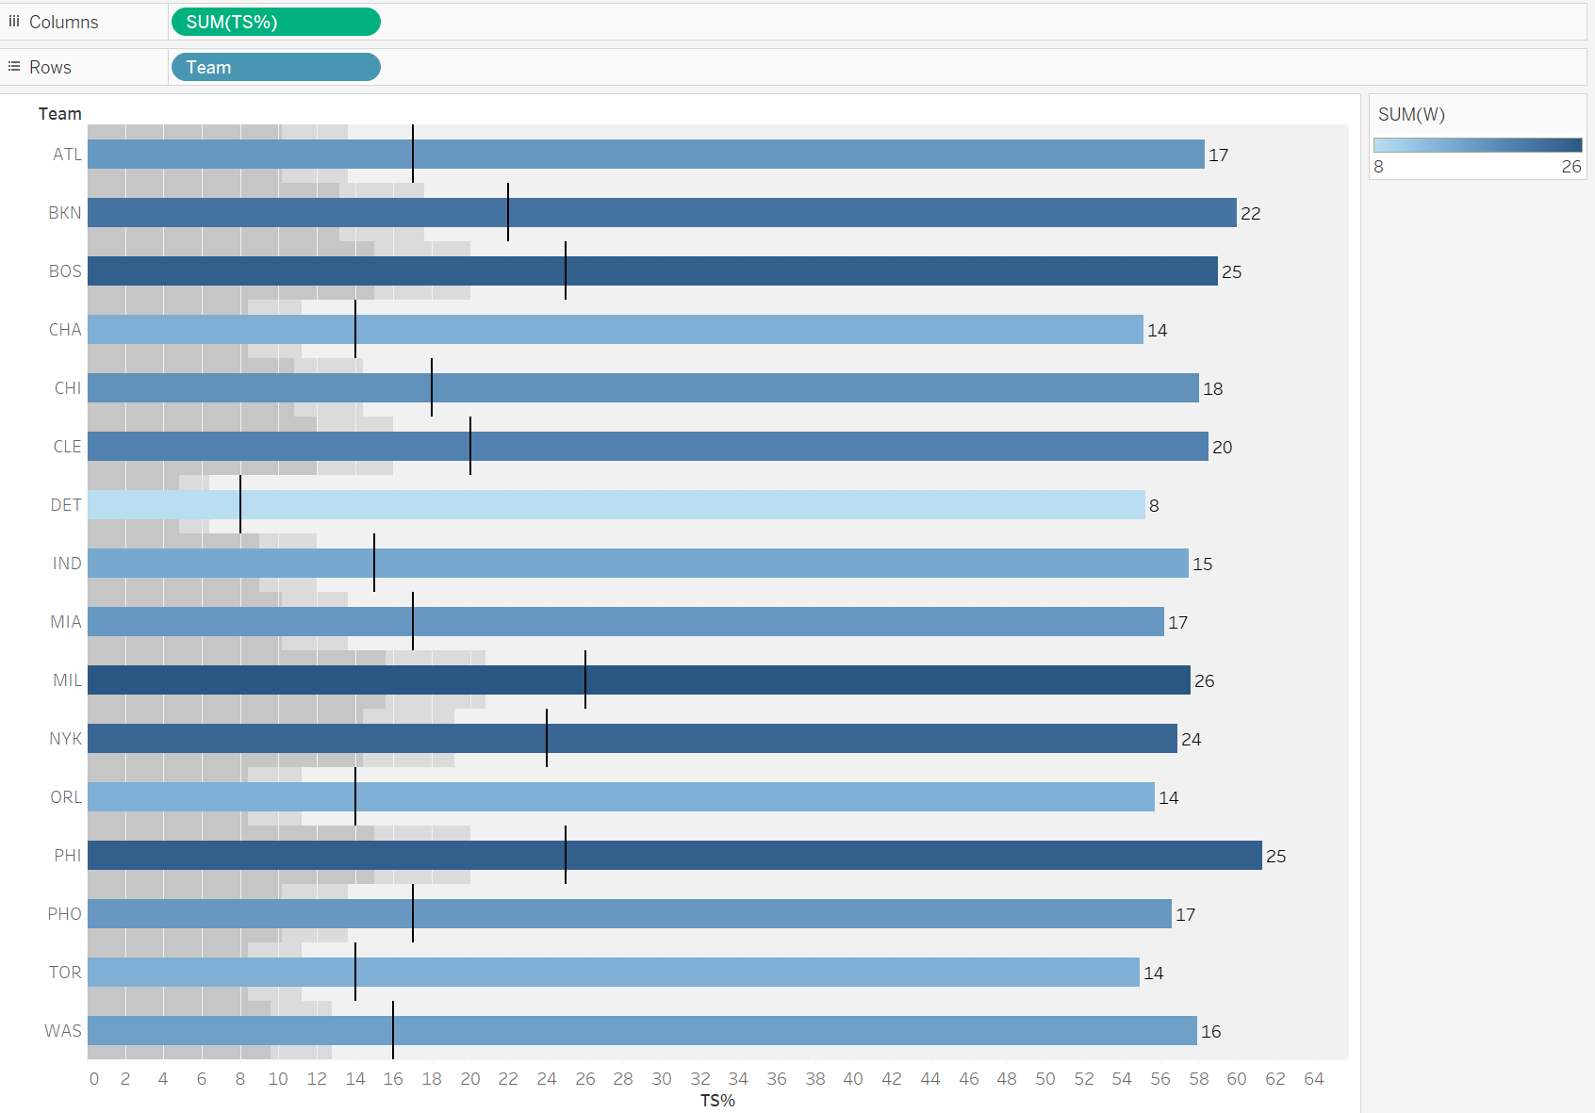
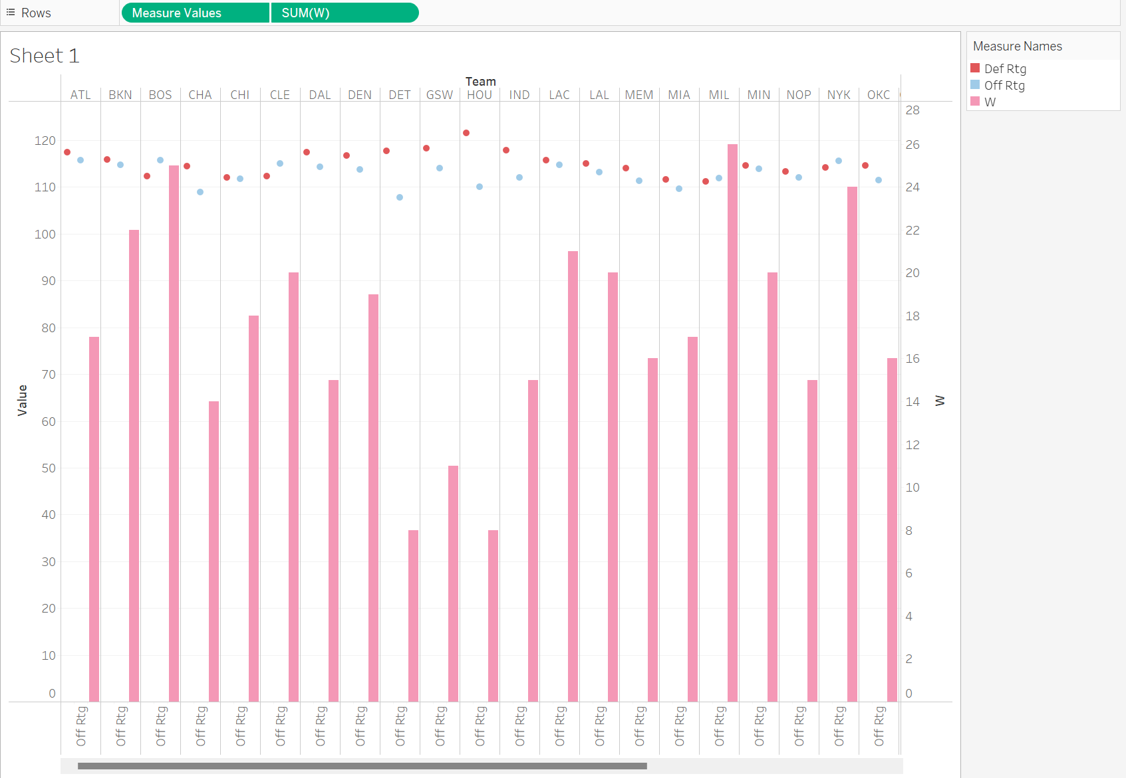
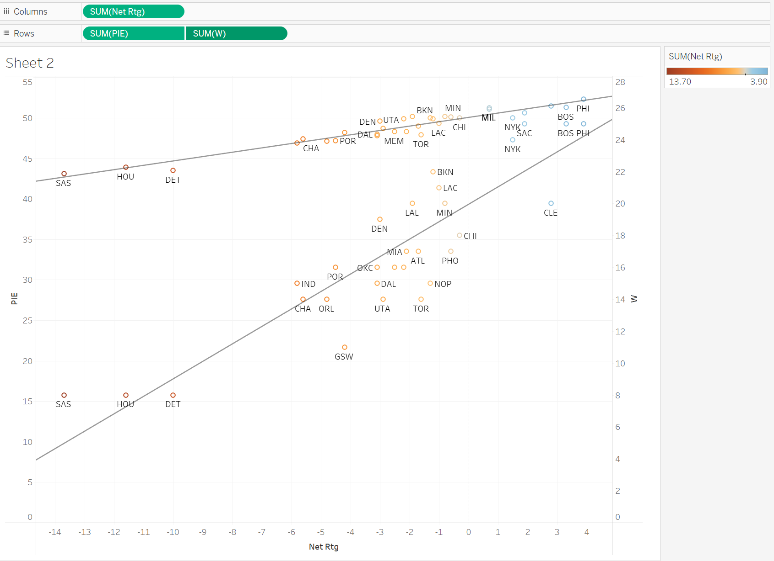
TEAM | GP | W | L | MIN | OffRtg | DefRtg | NetRtg | AST% | AST/TO | AST RATIO | OREB% | DREB% | REB% | TOV% | eFG% | TS% | PACE | PIE | POSS
ATL | 41 | 17 | 24 | 1978 | 115.7 | 117.4 | -1.7 | 56.3 | 1.87 | 17.7 | 28.8 | 70 | 49.1 | 13 | 54.4 | 58.3 | 100.8 | 49 | 4,155
BOS | 41 | 25 | 16 | 1993 | 115.7 | 112.4 | 3.3 | 63.6 | 2.06 | 19.2 | 24.9 | 73.1 | 49.2 | 12.9 | 55.7 | 59 | 98.56 | 51.3 | 4,088
BKN | 41 | 22 | 19 | 1973 | 114.7 | 115.9 | -1.2 | 60.5 | 1.81 | 18.6 | 23.4 | 68.6 | 47 | 14 | 56.3 | 60 | 98.91 | 49.9 | 4,064
CHA | 41 | 14 | 27 | 1988 | 108.9 | 114.5 | -5.6 | 59.4 | 1.79 | 17.5 | 27.6 | 72.7 | 49.4 | 13.5 | 51.7 | 55.1 | 102.31 | 47.4 | 4,241
CHI | 41 | 18 | 23 | 1993 | 111.8 | 112.1 | -0.3 | 56.7 | 1.82 | 17.7 | 23.6 | 74.2 | 49.2 | 13.2 | 54.6 | 58 | 99.11 | 50 | 4,116
CLE | 41 | 20 | 21 | 1973 | 115.1 | 112.3 | 2.8 | 58.8 | 1.88 | 18.2 | 27.4 | 71.8 | 49.4 | 13.3 | 55 | 58.5 | 96.54 | 51.5 | 3,966
DAL | 41 | 15 | 26 | 2008 | 114.4 | 117.5 | -3.1 | 59.6 | 1.84 | 17.8 | 21.3 | 71.7 | 46.7 | 12.9 | 56.8 | 60.3 | 96.66 | 48 | 4,052
DEN | 41 | 19 | 22 | 1973 | 113.7 | 116.7 | -3 | 65.5 | 1.87 | 20 | 27.5 | 70.9 | 49.5 | 15.1 | 56 | 59 | 98.52 | 49.6 | 4,047
DET | 41 | 8 | 33 | 1973 | 107.8 | 117.8 | -10 | 55.7 | 1.44 | 15.9 | 28.4 | 69.5 | 48.3 | 14.9 | 50.9 | 55.2 | 100.26 | 43.5 | 4,118
GSW | 41 | 11 | 30 | 1983 | 114.1 | 118.3 | -4.2 | 68.4 | 1.73 | 20 | 27.1 | 70.6 | 48.9 | 16.2 | 56.7 | 60 | 102.8 | 48.2 | 4,247
HOU | 41 | 8 | 33 | 1973 | 110.1 | 121.6 | -11.6 | 56.4 | 1.42 | 16.4 | 33.2 | 73.7 | 52.2 | 16.1 | 51.5 | 55.2 | 100.22 | 43.9 | 4,125
IND | 41 | 15 | 26 | 1973 | 112.1 | 117.9 | -5.8 | 64.7 | 1.76 | 18.7 | 28.4 | 67.6 | 47.7 | 14.8 | 53.8 | 57.5 | 100.96 | 46.9 | 4,156
LAC | 41 | 21 | 20 | 1988 | 114.7 | 115.7 | -1 | 57.5 | 1.74 | 17.4 | 26.8 | 72.6 | 50 | 13.7 | 54.8 | 58.6 | 98.85 | 49.3 | 4,092
LAL | 41 | 20 | 21 | 1988 | 113.2 | 115.1 | -1.9 | 58.2 | 1.66 | 17.5 | 27.6 | 73.1 | 51 | 14.5 | 53.9 | 58.1 | 102.63 | 50.2 | 4,249
MEM | 41 | 16 | 25 | 1983 | 111.4 | 114 | -2.5 | 60.3 | 1.78 | 17.9 | 29 | 71.5 | 50 | 14 | 52.9 | 56 | 101.62 | 48.3 | 4,196
MIA | 41 | 17 | 24 | 1988 | 109.6 | 111.7 | -2.1 | 61.5 | 1.73 | 17.6 | 27 | 73.3 | 49.3 | 14 | 52.1 | 56.2 | 97 | 48.3 | 4,021
MIL | 41 | 26 | 15 | 1993 | 111.9 | 111.2 | 0.7 | 62.2 | 1.76 | 18.4 | 26.8 | 74 | 50.9 | 14.5 | 54.8 | 57.6 | 101.42 | 51.1 | 4,214
MIN | 41 | 20 | 21 | 1978 | 113.9 | 114.6 | -0.8 | 61.1 | 1.75 | 18.8 | 26.1 | 70.1 | 48.6 | 14.8 | 56.5 | 59.5 | 101.13 | 50.2 | 4,164
NOP | 41 | 15 | 26 | 1988 | 112.1 | 113.4 | -1.3 | 61.4 | 1.78 | 18.4 | 28.4 | 73 | 50.6 | 14.4 | 53.5 | 57.4 | 100.45 | 50 | 4,163
NYK | 41 | 24 | 17 | 1998 | 115.6 | 114.2 | 1.5 | 54.1 | 1.71 | 16.3 | 31.6 | 72.4 | 51.7 | 13.2 | 53.3 | 56.9 | 97.72 | 50 | 4,070
OKC | 41 | 16 | 25 | 1978 | 111.5 | 114.6 | -3.1 | 56.6 | 1.82 | 16.7 | 28.5 | 67.5 | 47.6 | 12.7 | 51.4 | 55.7 | 101.78 | 47.8 | 4,197
ORL | 41 | 14 | 27 | 1968 | 108.2 | 113.1 | -4.8 | 55 | 1.44 | 16 | 27.7 | 72.5 | 49.7 | 15.1 | 51.6 | 55.7 | 100.2 | 47.1 | 4,110
PHI | 41 | 25 | 16 | 1983 | 118.2 | 114.2 | 3.9 | 59.4 | 1.79 | 18.4 | 26 | 72 | 49.7 | 14 | 56.9 | 61.3 | 97.57 | 52.3 | 4,033
PHO | 41 | 17 | 24 | 1988 | 113.9 | 114.6 | -0.6 | 65.3 | 1.99 | 19.4 | 31.6 | 70.7 | 50.7 | 14 | 53.2 | 56.6 | 98.38 | 50.1 | 4,073
POR | 41 | 16 | 25 | 1973 | 112.2 | 116.7 | -4.5 | 60.8 | 1.69 | 17.9 | 26.6 | 71.7 | 49 | 14.5 | 54.2 | 58 | 98.77 | 47.2 | 4,062
SAC | 41 | 25 | 16 | 1988 | 115.7 | 113.8 | 1.9 | 62.4 | 1.91 | 18.8 | 26.5 | 72.9 | 49.7 | 13.7 | 55.8 | 59.4 | 100.94 | 50.6 | 4,182
SAS | 41 | 8 | 33 | 1983 | 107.3 | 121 | -13.7 | 63.2 | 1.75 | 18.3 | 28.9 | 71.2 | 48.6 | 14.7 | 51.2 | 54.3 | 102.49 | 43.1 | 4,242
TOR | 41 | 14 | 27 | 1988 | 113 | 114.6 | -1.6 | 57.9 | 2.06 | 17.4 | 30.3 | 71.4 | 48.9 | 11.9 | 51.3 | 54.9 | 97.58 | 47.9 | 4,040
UTA | 41 | 14 | 27 | 1978 | 114.8 | 117.7 | -2.9 | 61.1 | 1.76 | 18.6 | 30.5 | 71 | 50.7 | 14.8 | 54.6 | 57.9 | 100.73 | 48.7 | 4,150
WAS | 41 | 16 | 25 | 1973 | 113.1 | 115.2 | -2.2 | 59.4 | 1.77 | 18.2 | 28.3 | 71.4 | 50.4 | 14.2 | 54.5 | 57.9 | 98.83 | 49.9 | 4,064

